Brain Blasters
 |  | Unit | Case |  |  |  |  | Single |  | Units | Trays
Picture per Item | Picture per Pack | Barcode | Barcode | Description | Commodity Code | Size | Shelf Life | Units | BBD | Per | Per
 |  |  |  |  |  |  |  |  |  | EU Pallet | EU Pallet
 | 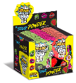 | 5026418055727 | 05026418155724 | BRAIN BLAS. POWDER/LOLLY SACH | 1704908100 | 10g | 36 months | 284,960 | Jun-26 | 12000 | 400
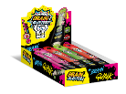 | 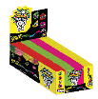 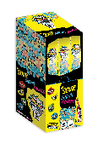 | 5056086500120 | 15056086500127 | BRAIN BLASTERZ SOUR CHEWY CANDY | 1704908100 | 60g | 36 months | 104,768 | April 26 - Jan 27 | 12096 | 1008
 |  |  |  |  |  |  |  | 389,728

